1. Totals
Quebec

1. Total number of cases and beneficiaries

 | Aim for Employment |  | Social Assistance |  | Social Solidarity |  | Basic Income* |  | Total
Year | Cases | Beneficiaries | Cases | Beneficiaries | Cases | Beneficiaries | Cases | Beneficiaries | Cases | Beneficiaries
1997-98 |  |  | 337,681 | 613,626 | 111,548 | 137,244 |  |  | 449,229 | 750,870
1998-99 |  |  | 301,896 | 539,593 | 115,115 | 140,847 |  |  | 417,011 | 680,439
1999-00 |  |  | 278,326 | 489,087 | 117,815 | 143,023 |  |  | 396,141 | 632,110
2000-01 |  |  | 256,641 | 445,626 | 119,883 | 144,517 |  |  | 376,523 | 590,142
2001-02 |  |  | 241,984 | 415,886 | 122,011 | 146,349 |  |  | 363,995 | 562,235
2002-03 |  |  | 234,209 | 398,614 | 123,954 | 147,987 |  |  | 358,164 | 546,600
2003-04 |  |  | 228,822 | 385,299 | 124,663 | 147,969 |  |  | 353,485 | 533,268
2004-05 |  |  | 224,006 | 374,278 | 124,681 | 146,961 |  |  | 348,687 | 521,239
2005-06 |  |  | 215,623 | 358,242 | 125,691 | 147,503 |  |  | 341,314 | 505,745
2006-07 |  |  | 211,823 | 349,398 | 126,872 | 148,402 |  |  | 338,695 | 497,800
2007-08 |  |  | 206,149 | 339,002 | 128,785 | 150,327 |  |  | 334,934 | 489,329
2008-09 |  |  | 200,830 | 329,809 | 129,571 | 150,621 |  |  | 330,401 | 480,430
2009-10 |  |  | 205,698 | 336,554 | 129,407 | 149,593 |  |  | 335,105 | 486,148
2010-11 |  |  | 205,116 | 334,482 | 129,675 | 149,251 |  |  | 334,791 | 483,733
2011-12 |  |  | 201,438 | 326,070 | 129,269 | 147,852 |  |  | 330,707 | 473,922
2012-13 |  |  | 194,313 | 313,379 | 128,814 | 146,420 |  |  | 323,127 | 459,799
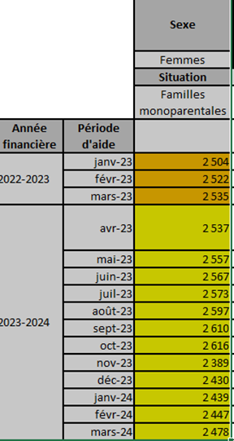
2013-14 |  |  | 191,392 | 305,388 | 128,209 | 145,196 |  |  | 319,601 | 450,584
2014-15 |  |  | 193,619 | 303,036 | 127,503 | 144,066 |  |  | 321,121 | 447,102
2015-16 |  |  | 190,615 | 294,244 | 126,946 | 143,258 |  |  | 317,561 | 437,502
2016-17 |  |  | 183,974 | 283,011 | 127,120 | 143,201 |  |  | 311,095 | 426,211 | 2504 | 2537
2017-18 |  |  | 173,635 | 267,705 | 126,879 | 142,538 |  |  | 300,514 | 410,244 | 2522 | 2522
2018-19 | 3,380 | 5,000 | 158,133 | 243,145 | 125,959 | 141,045 |  |  | 287,472 | 389,189 | 2535 | 2535
2019-20 | 6,181 | 9,397 | 145,399 | 221,191 | 123,603 | 138,025 |  |  | 275,183 | 368,613 | 7561 | 2537
2020-21 | 4,594 | 7,022 | 129,041 | 194,478 | 119,293 | 132,499 |  |  | 252,928 | 333,999 | 2520.3333333 | 2557
2021-22 | 3,482 | 4,779 | 113,673 | 166,998 | 114,918 | 127,019 |  |  | 232,073 | 298,796 |  | 2567
2022-23 | 4,491 | 6,575 | 129,873 | 192,380 | 90,285 | 99,466 | 84,113 | 87,626 | 244,918 | 320,328 |  | 2573
2023-24 | 5,260 | 7,440 | 146,439 | 211,383 | 24,939 | 28,178 | 84,100 | 87,675 | 257,835 | 334,676 |  | 2597
 |  |  |  |  |  |  |  |  |  |  |  | 2610
 |  | *Numbers for Basic Income in 2022-23 are the average of the first three months of 2023. |  |  |  |  |  |  |  |  |  | 2389
 |  | From 2023-24 onward, numbers are fiscal year average. |  |  |  |  |  |  |  |  |  | 2430
 |  |  |  |  |  |  |  |  |  |  |  | 2439
 |  |  |  |  |  |  |  |  |  |  |  | 2447
 |  |  |  |  |  |  |  |  |  |  |  | 2478
 |  |  |  |  |  |  |  |  |  |  |  | 35218
 |  |  |  |  |  |  |  |  |  |  |  | 2515.5714286

